Sheet2
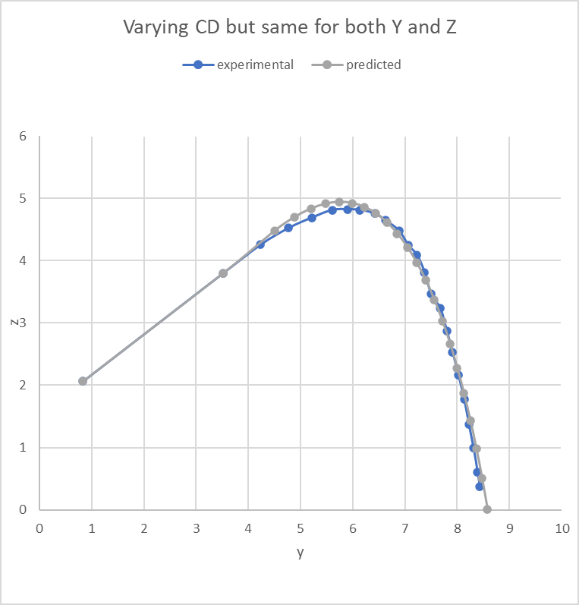
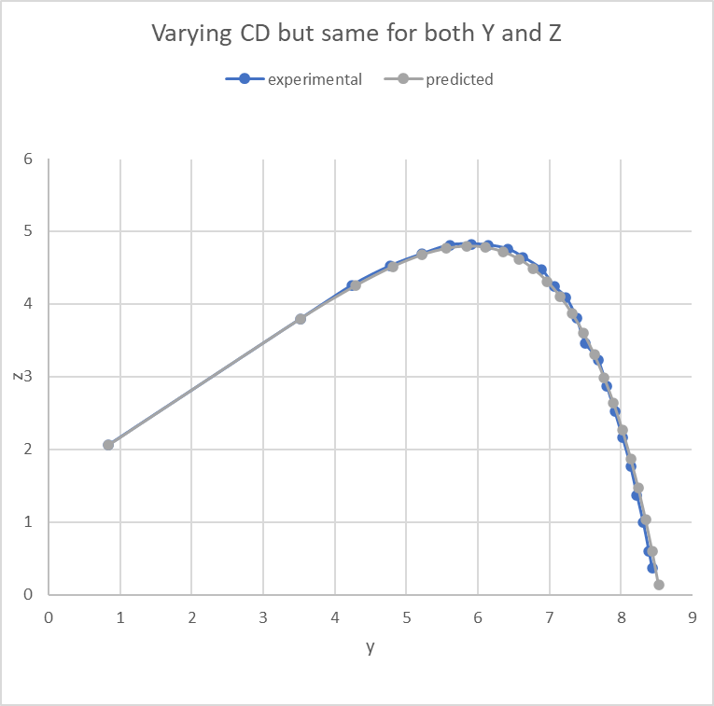
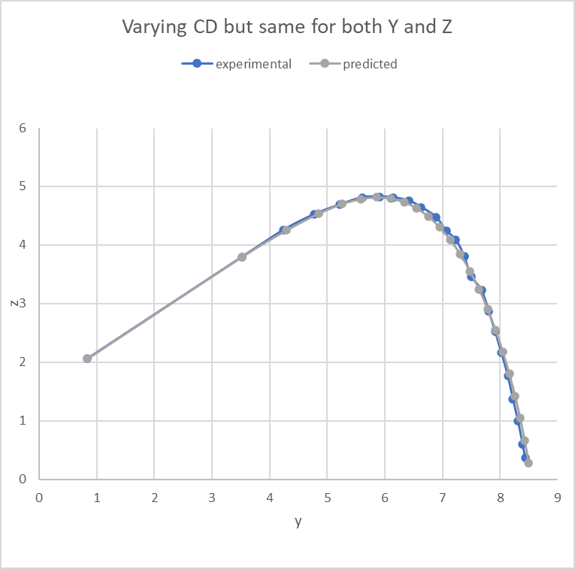
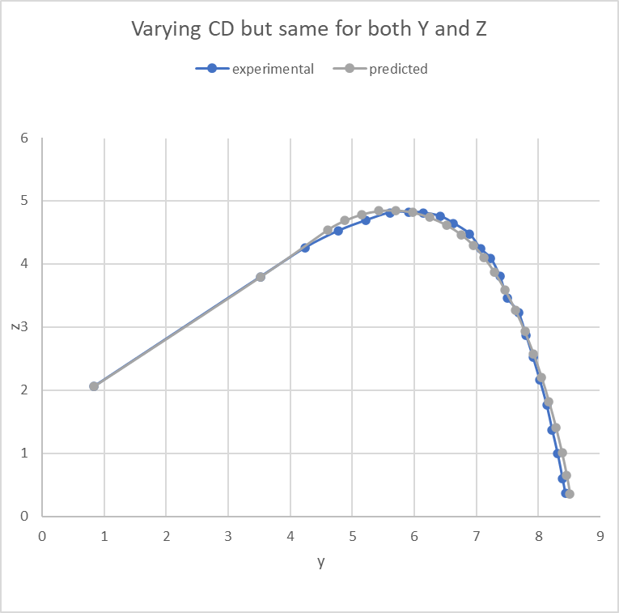
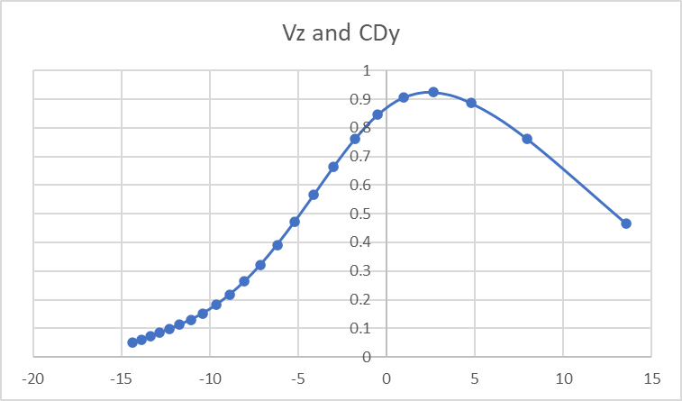
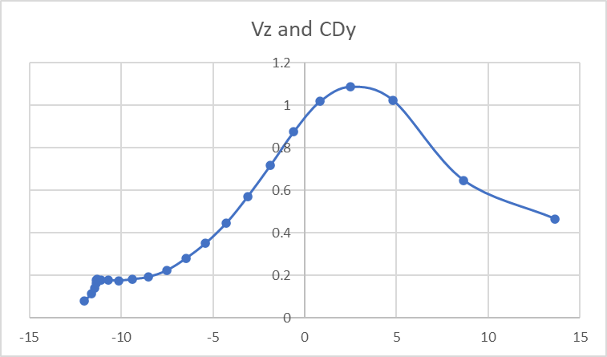
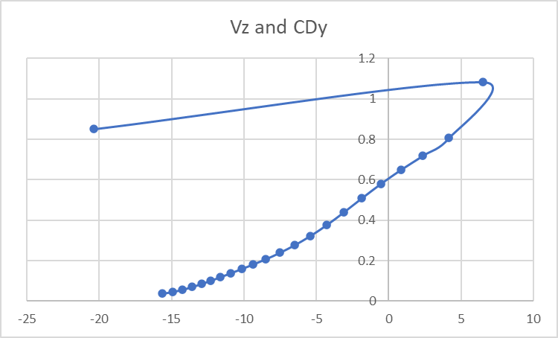
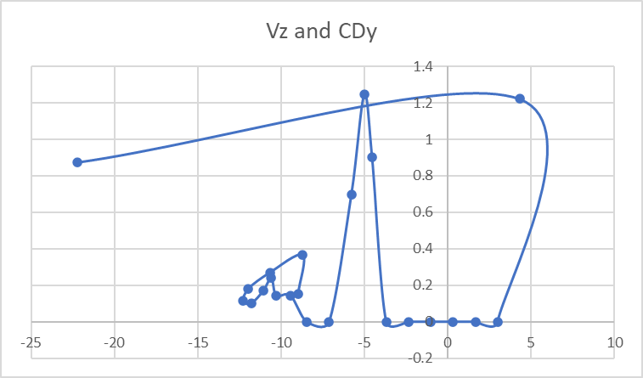
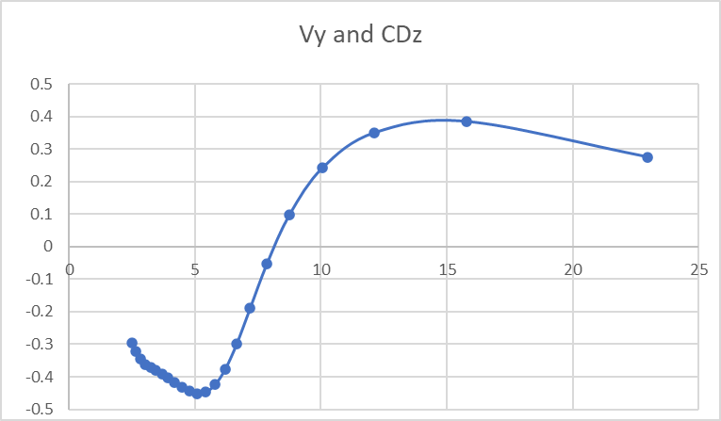
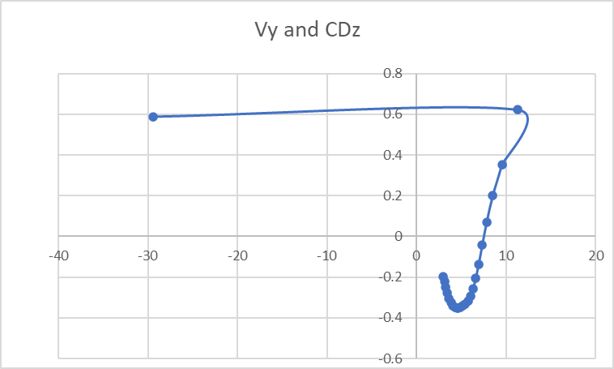
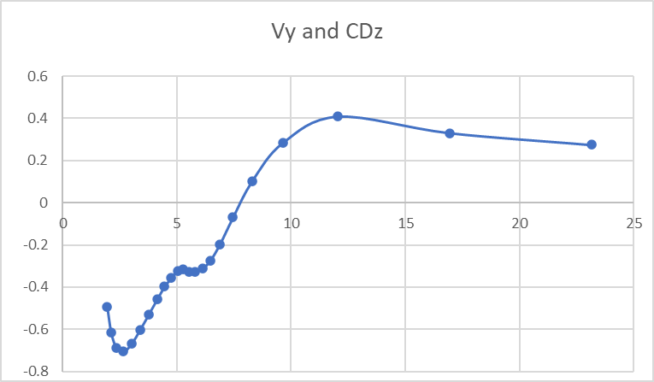
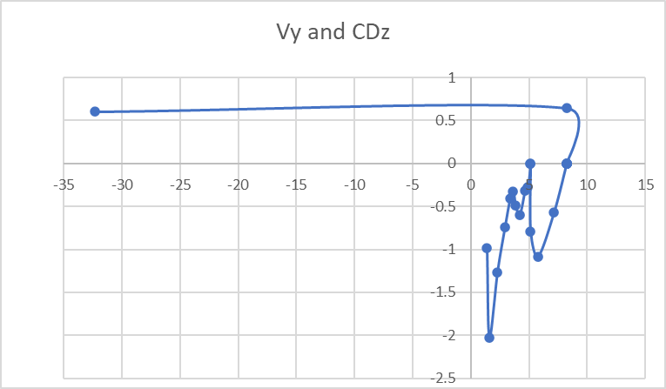
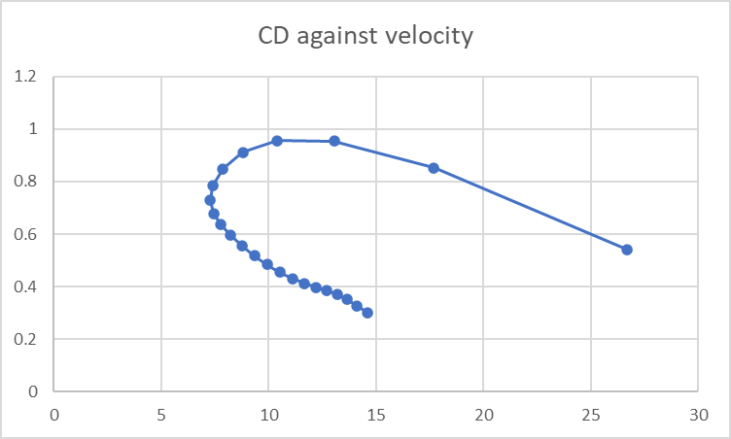
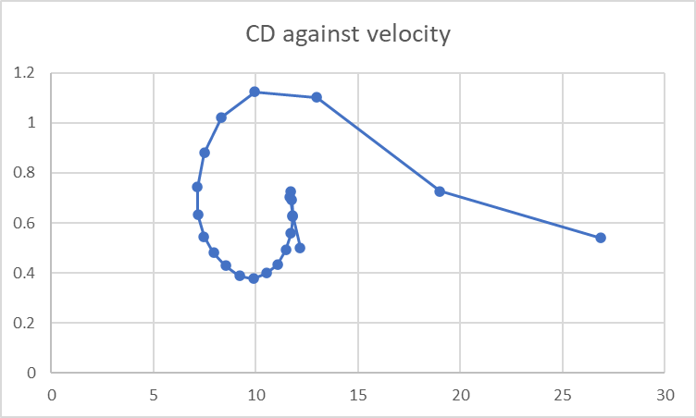
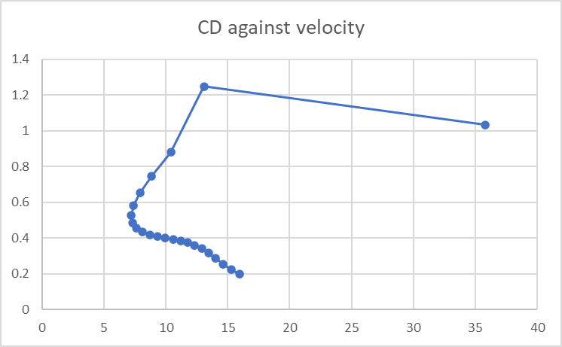
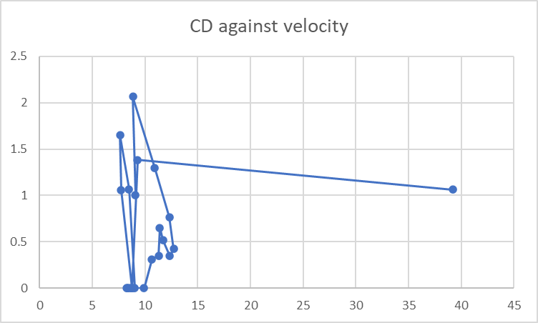
Starting CD all at 0.2 | Starting CD all at 0.3 | Starting CD all at 0.5 | Starting CD all at 1.0

Sheet1
 | Experimental |  |  |  | Constant CD |  |  |  |  |  |  | Changing CD
 | exp y | expz | real_v | real_launch_angle | gen y | gen z | vy | vz | v | launchAngle | err_coord | gen y | gen z | vy | vz | v | launchAngle | err_coord | coef_d | coef_dy | coef_dz
0 | 0.83526315789 | 2.0613157895 | 95.946493702 | 0.57437797593 | 0.83526315789 | 2.0613157895 |  |  | 95.946493702 | 0.57437797593 |  | 0.83526315789 | 2.0613157895 |  |  | 95.946493702 | 0.57437797593 |  |  |  |  | time step | 0.03
0.03 | 3.5202631579 | 3.7989473684 | 25.392886897 | 0.56937603873 | 3.5202631579 | 3.7989473684 | 16.909094945 | 9.6064564387 | 19.447403353 | 0.51665115175 |  | 3.5202631579 | 3.7989473684 | 21.383627672 | 13.706067431 | 25.399130238 | 0.56999451658 |  | 0.77485927276 | 0.55658805137 | 0.53908870667 | G | 9.81
0.07 | 4.2331578947 | 4.2552631579 | 17.953272104 | 0.463647609 | 4.0838996561 | 4.119162583 | 14.201250709 | 6.7315887389 | 15.715909412 | 0.44264337396 | 0.040801388284 | 4.233050747 | 4.2558162828 | 16.062764076 | 8.0123293385 | 17.950203653 | 0.46269824624 | 3.1742780085E-07 | 1.1555883275 | 0.71225496692 | 0.90998749709 | density air | 1.18
0.1 | 4.7684210526 | 4.5228947368 | 14.270400181 | 0.35954767089 | 4.5572746797 | 4.3435488743 | 12.363410261 | 4.5239496171 | 13.165106662 | 0.35078150179 | 0.076747729193 | 4.7684762162 | 4.5228939274 | 13.359371305 | 5.0061602139 | 14.266549749 | 0.35853413417 | 3.0436703701E-09 | 1.0849289518 | 0.68166826685 | 0.84403744255 | mass shuttle | 0.00512
0.13 | 5.2136842105 | 4.6902631579 | 12.262407081 | 0.30403707434 | 4.9693883551 | 4.4943471949 | 11.023103041 | 2.697034533 | 11.348250787 | 0.23995695523 | 0.09806352954 | 5.213788593 | 4.6897659345 | 11.692014447 | 3.6696828171 | 12.254377741 | 0.30412550661 | 2.5812675828E-07 | 0.63602937508 | 0.63602937508 | 4.8203065349E-13 | coef drag | 0.598680736
0.17 | 5.6036842105 | 4.8126315789 | 9.0297741572 | 0.036728882021 | 5.3368251231 | 4.584248346 | 9.9930146661 | 1.1085243004 | 10.054310928 | 0.11047823446 | 0.12337267362 | 5.6035224079 | 4.8120886951 | 8.8407318474 | 0.6901541064 | 8.8676294627 | 0.077907264529 | 3.2090295084E-07 | 3.0248073059 | 1.4468158136 | 2.6563477256 | diameter | 0.067522399394
0.2 | 5.9044736842 | 4.8236842105 | 7.0183633293 | -0.047262076001 | 5.669925612 | 4.621199156 | 9.1656622671 | -0.31973123046 | 9.1712372586 | -0.034869453601 | 0.096012995482 | 5.8982134695 | 4.835093832 | 7.5861949606 | -0.66972297689 | 7.6156997607 | -0.088053523954 | 0.00016936975066 | 1.1961802916 | 1.1634327089 | 0.27797773651 | density shuttle | 131
0.23 | 6.1381578947 | 4.8126315789 | 8.5279603677 | -0.19848488404 | 5.9754476876 | 4.6105414483 | 8.4734592733 | -1.6320620999 | 8.6292026719 | -0.19027855866 | 0.06731503241 | 6.1510866348 | 4.8127697328 | 7.5861717174 | -2.0062003737 | 7.8469638246 | -0.25853634082 | 0.00016717140662 | 2.9249330218E-05 | 2.9249330218E-05 | 0
0.27 | 6.4168421053 | 4.7565789474 | 7.1722500207 | -0.48432413021 | 6.25789633 | 4.5561393783 | 7.8713530586 | -2.8525685926 | 8.3722963725 | -0.34767750391 | 0.065439780305 | 6.4039590254 | 4.745896387 | 7.1166729252 | -3.3426777705 | 7.8626031441 | -0.43911243298 | 0.00028009084337 | 0.57340800249 | 0.57340800249 | 0
0.3 | 6.6284210526 | 4.6452631579 | 9.1773183308 | -0.57583427074 | 6.5202747653 | 4.4610537586 | 7.3286832251 | -3.9923831143 | 8.3455809112 | -0.49881229319 | 0.045628722258 | 6.6411814562 | 4.6344737946 | 7.1166729252 | -4.6791551673 | 8.51713136 | -0.58162395328 | 0.00027923826003 | 0 | 0 | 0
0.33 | 6.885 | 4.4786842105 | 8.8203256201 | -0.91870251864 | 6.7645642061 | 4.3279743214 | 6.8250385852 | -5.0544943946 | 8.4928832133 | -0.63744569175 | 0.037218251113 | 6.8784038871 | 4.4785019557 | 5.6990864243 | -6.0156325641 | 8.2865807918 | -0.81241282181 | 4.3541922487E-05 | 1.7003283921 | 1.7003283921 | 0
0.37 | 7.0634210526 | 4.245 | 6.8530908772 | -0.75362401966 | 6.9920654923 | 4.159491175 | 6.3477270202 | -6.0374838807 | 8.7604137992 | -0.76035391697 | 0.01240337515 | 7.0683734346 | 4.2779808702 | 4.5370754912 | -6.5178932243 | 7.9415354999 | -0.96269570916 | 0.0011122638885 | 2.1634295346 | 1.7888881703 | 1.2166784559
0.4 | 7.23 | 4.0886842105 | 9.4281306108 | -1.0902963808 | 7.203656393 | 3.9582417123 | 5.8898123506 | -6.9384270418 | 9.1011899958 | -0.86695950714 | 0.017709230982 | 7.2196092843 | 4.0607177628 | 4.5247541662 | -7.8543706211 | 9.064465683 | -1.04814998 | 0.000890089174 | 0.024861682623 | 0.024861682623 | 0
0.43 | 7.3752631579 | 3.81 | 10.981763402 | -1.2299485036 | 7.3999834713 | 3.7269608109 | 5.4484031988 | -7.7549073634 | 9.4775358418 | -0.95834433702 | 0.0075066008259 | 7.3704344231 | 3.7989054087 | 4.4323382213 | -9.1908480179 | 10.203788973 | -1.1214447143 | 0.00014640663492 | 0.16381863393 | 0.16381863393 | 0
0.47 | 7.4976315789 | 3.465 | 8.8391618691 | -0.92032855686 | 7.5815969113 | 3.4684638988 | 5.0231903602 | -8.4861641015 | 9.861410779 | -1.0363339416 | 0.007062175629 | 7.5181790305 | 3.4925438081 | 4.4323382213 | -8.4702223502 | 9.559826817 | -1.0886949059 | 0.001180859132 | 1.5947499166 | 0 | 1.5947499166
0.5 | 7.6760526316 | 3.2305263158 | 11.294811031 | -1.2397622195 | 7.74903659 | 3.185591762 | 4.6152840906 | -9.1335257584 | 10.233383605 | -1.1029078115 | 0.0073457723003 | 7.6659236379 | 3.2102030631 | 3.9659417295 | -9.806699747 | 10.578282173 | -1.1864927644 | 0.0005156311122 | 0.80025048699 | 0.80025048699 | 0
0.53 | 7.7984210526 | 2.8744736842 | 10.89795433 | -1.2593546855 | 7.902879393 | 2.8811409034 | 4.2263648875 | -9.7003422871 | 10.581058579 | -1.1599041359 | 0.01095599668 | 7.7981216955 | 2.8833130716 | 3.3686251367 | -10.630264336 | 11.151240073 | -1.263916984 | 7.8224383257E-05 | 1.0957734965 | 1.0351342831 | 0.35946706628
0.57 | 7.9097368421 | 2.5286842105 | 11.508333124 | -1.2763827107 | 8.0437582226 | 2.5577961605 | 3.8581190873 | -10.19162283 | 10.897442764 | -1.2089100776 | 0.018809236052 | 7.9104092001 | 2.528970927 | 3.3197343223 | -10.979171061 | 11.47008427 | -1.2771697816 | 5.3427160831E-07 | 0.61304259742 | 0.094624807798 | 0.60569577512
0.6 | 8.0210526316 | 2.1615789474 | 12.167254599 | -1.2927640475 | 8.1723621921 | 2.2180753995 | 3.5119072446 | -10.613545637 | 11.179483149 | -1.2512471352 | 0.026086432224 | 8.0210670108 | 2.1629985583 | 3.2725001595 | -11.79506961 | 12.24062598 | -1.3001570989 | 2.0155020234E-06 | 0.31378101761 | 0.090186155658 | 0.30054115249
0.63 | 8.1323684211 | 1.7715789474 | 12.325646359 | -1.3519189607 | 8.289425767 | 1.864290545 | 3.1886066847 | -10.97295701 | 11.426854253 | -1.2879968524 | 0.033262450235 | 8.1301503495 | 1.7698295713 | 2.8299621001 | -11.925970036 | 12.257138605 | -1.3378114592 | 7.9801579547E-06 | 1.0068095605 | 0.80319484503 | 0.60707786317
0.67 | 8.2215789474 | 1.3705263158 | 11.679197893 | -1.3395895426 | 8.3957126564 | 1.4985253113 | 2.8885734706 | -11.276929653 | 11.641005072 | -1.3200388601 | 0.046706291496 | 8.2244824195 | 1.3722972368 | 2.5861126352 | -11.4468704 | 11.735366229 | -1.3486034228 | 1.1566311636E-05 | 1.037604628 | 0.51109976379 | 0.90299523557
0.7 | 8.3107894737 | 0.99157894737 | 11.932635537 | -1.3730115104 | 8.4919984388 | 1.1226276562 | 2.6116781663 | -11.532413646 | 11.824441946 | -1.3480887304 | 0.050010453134 | 8.310686174 | 0.99073489013 | 2.3064548661 | -11.6789534 | 11.904523786 | -1.3758171727 | 7.2310345204E-07 | 0.89782191228 | 0.66994074994 | 0.59771529823
0.73 | 8.3889473684 | 0.60157894737 | 7.1348856191 | -1.3838170569 | 8.5790543777 | 0.73821386804 | 2.3573807159 | -11.745987224 | 11.980211171 | -1.3727309659 | 0.054809776514 | 8.3875680029 | 0.60143644347 | 1.3791355242 | -7.0043019799 | 7.1387856824 | -1.3763848909 | 1.922956683E-06 | 3.9887068865 | 2.4554207439 | 3.1433567403
0.77 | 8.4331578947 | 0.36789473684 |  |  | 8.6576337349 | 0.34668096058 | 2.1248202473 | -11.92369876 | 12.111542148 | -1.3944460521 | 0.050839427108 | 8.433539187 | 0.36795971081 | 1.3288216917 | -7.8295926673 | 7.9415545345 | -1.4026804002 | 1.4960541364E-07 | 0.8309561377 | 0.37154352775 | 0.74326543696

 |  |  |  |  |  |  |  |  |  |  | 0.99410732053 |  |  |  |  |  |  | 0.004888677918

Sheet3
Constant CD
 | Actual Experimental |  | Predicted
0.83526315789 | 2.0613157895 | 0.83526315789 | 2.0613157895
3.5202631579 | 3.7989473684 | 3.5202631579 | 3.7989473684
4.2331578947 | 4.2552631579 | 4.0838996561 | 4.119162583
4.7684210526 | 4.5228947368 | 4.5572746797 | 4.3435488743
5.2136842105 | 4.6902631579 | 4.9693883551 | 4.4943471949
5.6036842105 | 4.8126315789 | 5.3368251231 | 4.584248346
5.9044736842 | 4.8236842105 | 5.669925612 | 4.621199156
6.1381578947 | 4.8126315789 | 5.9754476876 | 4.6105414483
6.4168421053 | 4.7565789474 | 6.25789633 | 4.5561393783
6.6284210526 | 4.6452631579 | 6.5202747653 | 4.4610537586
6.885 | 4.4786842105 | 6.7645642061 | 4.3279743214
7.0634210526 | 4.245 | 6.9920654923 | 4.159491175
7.23 | 4.0886842105 | 7.203656393 | 3.9582417123
7.3752631579 | 3.81 | 7.3999834713 | 3.7269608109
7.4976315789 | 3.465 | 7.5815969113 | 3.4684638988
7.6760526316 | 3.2305263158 | 7.74903659 | 3.185591762
7.7984210526 | 2.8744736842 | 7.902879393 | 2.8811409034
7.9097368421 | 2.5286842105 | 8.0437582226 | 2.5577961605
8.0210526316 | 2.1615789474 | 8.1723621921 | 2.2180753995
8.1323684211 | 1.7715789474 | 8.289425767 | 1.864290545
8.2215789474 | 1.3705263158 | 8.3957126564 | 1.4985253113
8.3107894737 | 0.99157894737 | 8.4919984388 | 1.1226276562
8.3889473684 | 0.60157894737 | 8.5790543777 | 0.73821386804
8.4331578947 | 0.36789473684 | 8.6576337349 | 0.34668096058

Vz and CDy
13.706067431 | 0.55658805137
8.0123293385 | 0.71225496692
5.0061602139 | 0.68166826685
3.6696828171 | 0.63602937508
0.6901541064 | 1.4468158136
-0.66972297689 | 1.1634327089
-2.0062003737 | 2.9249330218E-05
-3.3426777705 | 0.57340800249
-4.6791551673 | 0
-6.0156325641 | 1.7003283921
-6.5178932243 | 1.7888881703
-7.8543706211 | 0.024861682623
-9.1908480179 | 0.16381863393
-8.4702223502 | 0
-9.806699747 | 0.80025048699
-10.630264336 | 1.0351342831
-10.979171061 | 0.094624807798
-11.79506961 | 0.090186155658
-11.925970036 | 0.80319484503
-11.4468704 | 0.51109976379
-11.6789534 | 0.66994074994
-7.0043019799 | 2.4554207439
-7.8295926673 | 0.37154352775

CDz against vz
 | coef_dz
13.706067431 | 0.53908870667
8.0123293385 | 0.90998749709
5.0061602139 | 0.84403744255
3.6696828171 | 4.8203065349E-13
0.6901541064 | 2.6563477256
-0.66972297689 | 0.27797773651
-2.0062003737 | 0
-3.3426777705 | 0
-4.6791551673 | 0
-6.0156325641 | 0
-6.5178932243 | 1.2166784559
-7.8543706211 | 0
-9.1908480179 | 0
-8.4702223502 | 1.5947499166
-9.806699747 | 0
-10.630264336 | 0.35946706628
-10.979171061 | 0.60569577512
-11.79506961 | 0.30054115249
-11.925970036 | 0.60707786317
-11.4468704 | 0.90299523557
-11.6789534 | 0.59771529823
-7.0043019799 | 3.1433567403
-7.8295926673 | 0.74326543696

Vy and CDz
21.383627672 | 0.53908870667
16.062764076 | 0.90998749709
13.359371305 | 0.84403744255
11.692014447 | 4.8203065349E-13
8.8407318474 | 2.6563477256
7.5861949606 | 0.27797773651
7.5861717174 | 0
7.1166729252 | 0
7.1166729252 | 0
5.6990864243 | 0
4.5370754912 | 1.2166784559
4.5247541662 | 0
4.4323382213 | 0
4.4323382213 | 1.5947499166
3.9659417295 | 0
3.3686251367 | 0.35946706628
3.3197343223 | 0.60569577512
3.2725001595 | 0.30054115249
2.8299621001 | 0.60707786317
2.5861126352 | 0.90299523557
2.3064548661 | 0.59771529823
1.3791355242 | 3.1433567403
1.3288216917 | 0.74326543696
CDy against vy
 | coef_dy
21.383627672 | 0.55658805137
16.062764076 | 0.71225496692
13.359371305 | 0.68166826685
11.692014447 | 0.63602937508
8.8407318474 | 1.4468158136
7.5861949606 | 1.1634327089
7.5861717174 | 2.9249330218E-05
7.1166729252 | 0.57340800249
7.1166729252 | 0
5.6990864243 | 1.7003283921
4.5370754912 | 1.7888881703
4.5247541662 | 0.024861682623
4.4323382213 | 0.16381863393
4.4323382213 | 0
3.9659417295 | 0.80025048699
3.3686251367 | 1.0351342831
3.3197343223 | 0.094624807798
3.2725001595 | 0.090186155658
2.8299621001 | 0.80319484503
2.5861126352 | 0.51109976379
2.3064548661 | 0.66994074994
1.3791355242 | 2.4554207439
1.3288216917 | 0.37154352775
4TH PASS Seperate CD for both Y and Z
 | experimental |  | predicted
0.83526315789 | 2.0613157895 | 0.83526315789 | 2.0613157895
3.5202631579 | 3.7989473684 | 3.5202631579 | 3.7989473684
4.2331578947 | 4.2552631579 | 4.233050747 | 4.2558162828
4.7684210526 | 4.5228947368 | 4.7684762162 | 4.5228939274
5.2136842105 | 4.6902631579 | 5.213788593 | 4.6897659345
5.6036842105 | 4.8126315789 | 5.6035224079 | 4.8120886951
5.9044736842 | 4.8236842105 | 5.8982134695 | 4.835093832
6.1381578947 | 4.8126315789 | 6.1510866348 | 4.8127697328
6.4168421053 | 4.7565789474 | 6.4039590254 | 4.745896387
6.6284210526 | 4.6452631579 | 6.6411814562 | 4.6344737946
6.885 | 4.4786842105 | 6.8784038871 | 4.4785019557
7.0634210526 | 4.245 | 7.0683734346 | 4.2779808702
7.23 | 4.0886842105 | 7.2196092843 | 4.0607177628
7.3752631579 | 3.81 | 7.3704344231 | 3.7989054087
7.4976315789 | 3.465 | 7.5181790305 | 3.4925438081
7.6760526316 | 3.2305263158 | 7.6659236379 | 3.2102030631
7.7984210526 | 2.8744736842 | 7.7981216955 | 2.8833130716
7.9097368421 | 2.5286842105 | 7.9104092001 | 2.528970927
8.0210526316 | 2.1615789474 | 8.0210670108 | 2.1629985583
8.1323684211 | 1.7715789474 | 8.1301503495 | 1.7698295713
8.2215789474 | 1.3705263158 | 8.2244824195 | 1.3722972368
8.3107894737 | 0.99157894737 | 8.310686174 | 0.99073489013
8.3889473684 | 0.60157894737 | 8.3875680029 | 0.60143644347
8.4331578947 | 0.36789473684 | 8.433539187 | 0.36795971081

CD against velocity
25.399130238 | 0.77485927276
17.950203653 | 1.1555883275
14.266549749 | 1.0849289518
12.254377741 | 0.63602937508
8.8676294627 | 3.0248073059
7.6156997607 | 1.1961802916
7.8469638246 | 2.9249330218E-05
7.8626031441 | 0.57340800249
8.51713136 | 0
8.2865807918 | 1.7003283921
7.9415354999 | 2.1634295346
9.064465683 | 0.024861682623
10.203788973 | 0.16381863393
9.559826817 | 1.5947499166
10.578282173 | 0.80025048699
11.151240073 | 1.0957734965
11.47008427 | 0.61304259742
12.24062598 | 0.31378101761
12.257138605 | 1.0068095605
11.735366229 | 1.037604628
11.904523786 | 0.89782191228
7.1387856824 | 3.9887068865
7.9415545345 | 0.8309561377

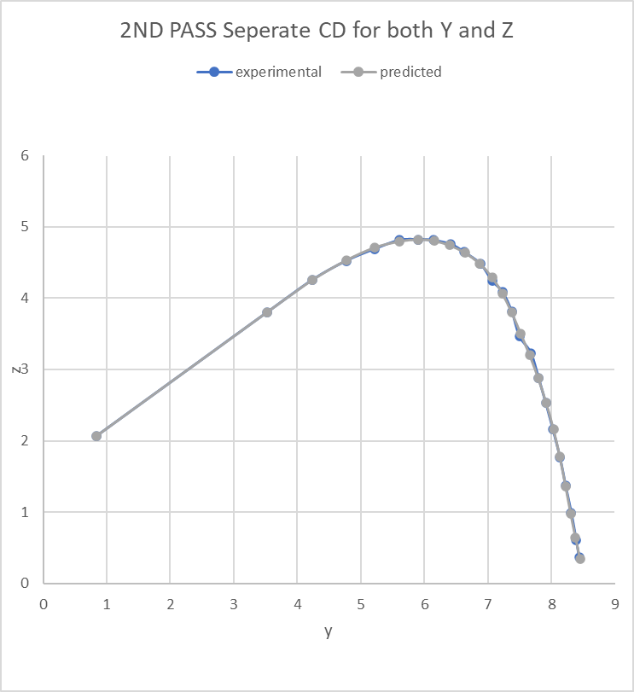
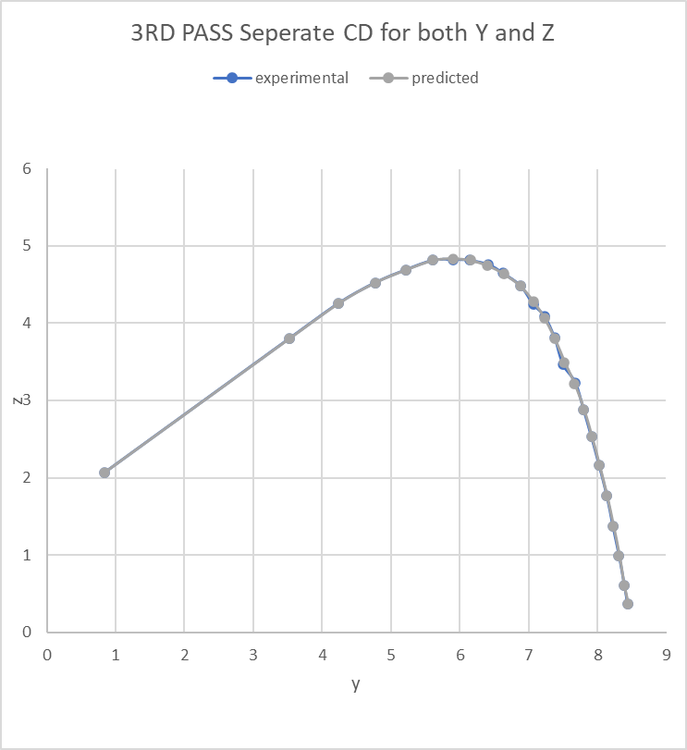

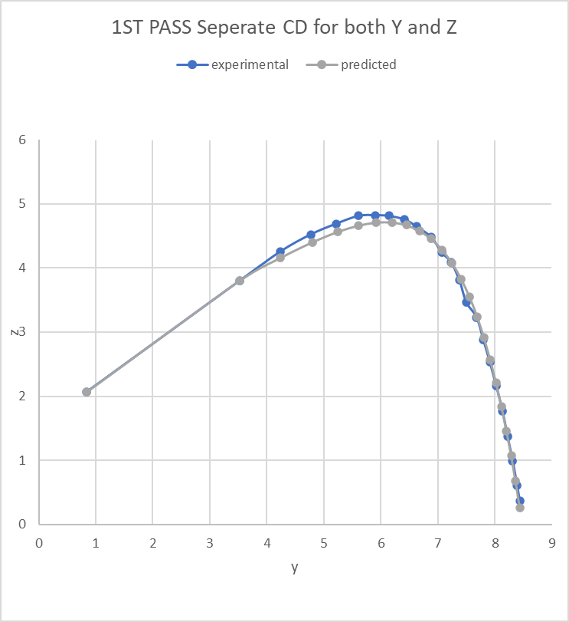
Starting value 0.3

 | 0.165 | 0.011234714274 | 0.0050224265592 |  | 0.0050224265591 | STABLE

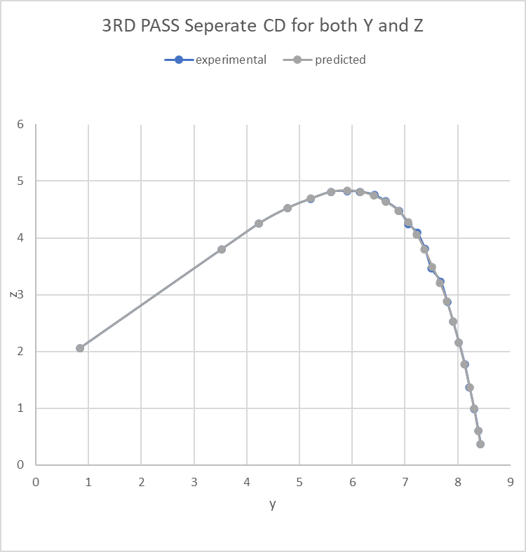
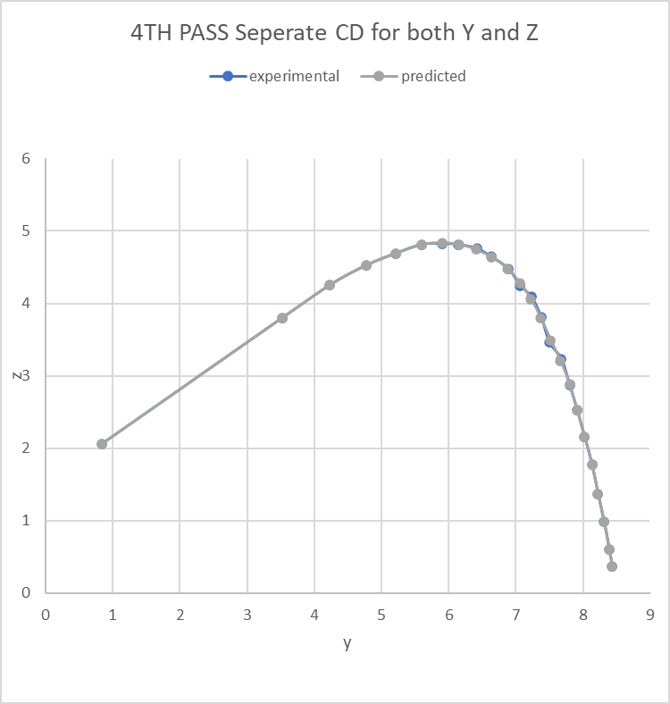
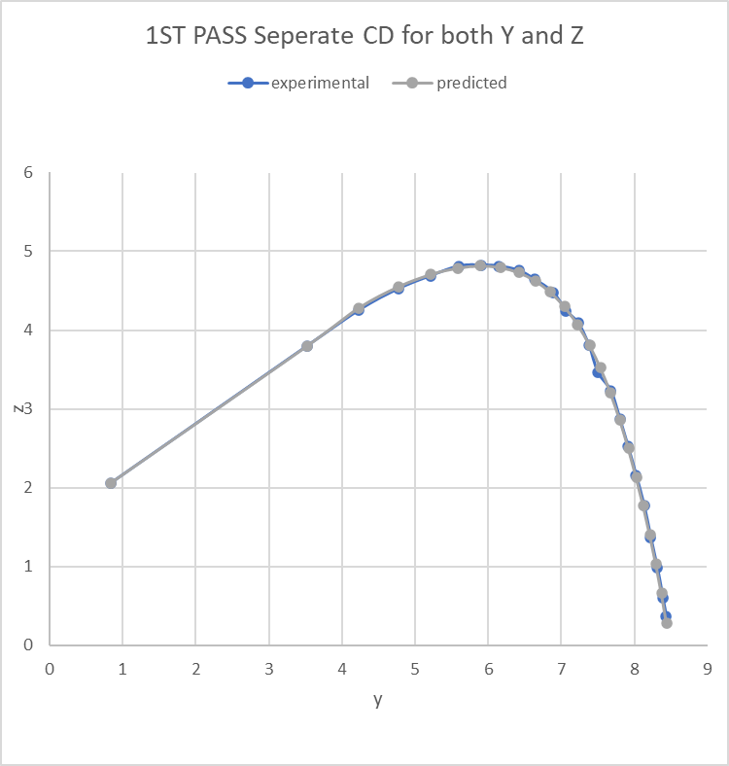
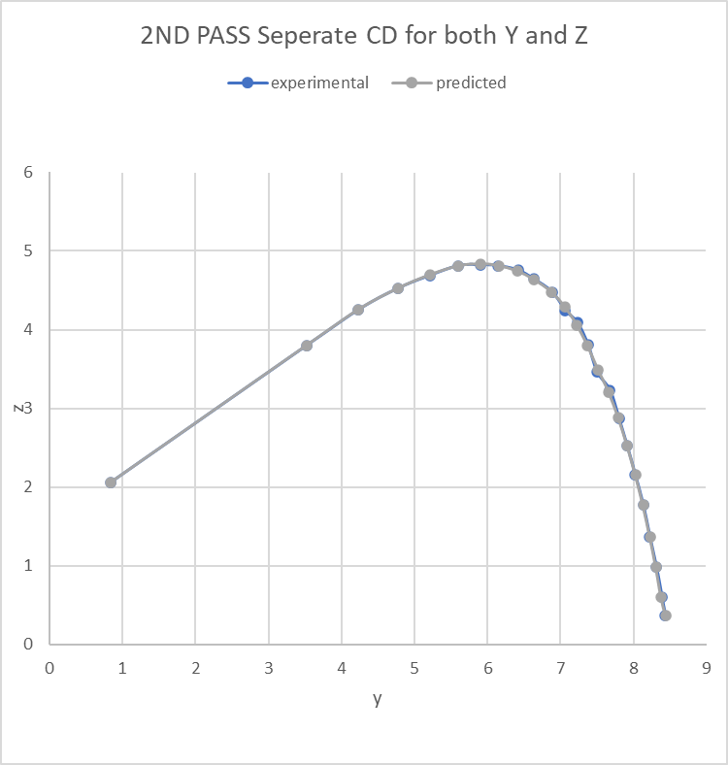
Starting value 0.5

 | 0.031843411764 | 0.0057190771081 |  | 0.0048832526455 | 0.0047692338317 | stable

